freeze and thaw cycles in UK
source | https://obgyn.onlinelibrary.wiley.com/doi/10.1111/1471-0528.16025
 | Numbers below are eyeballed from Appendix II
 | Freezing cycles | Annual increase | returned model | % of 4 years ago freezing
2010 | 200 |  | 30 |  | 15% returned | 690
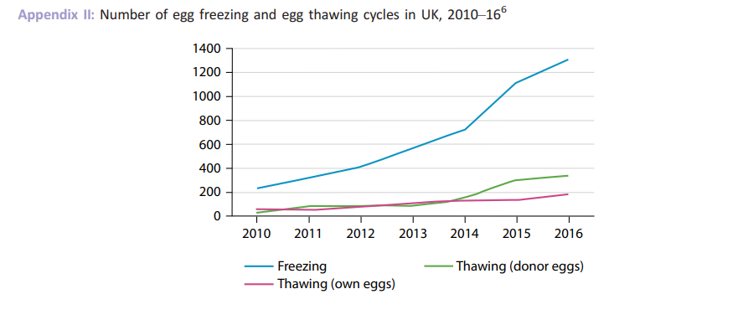
2011 | 300 | 50% | 45
2012 | 400 | 33% | 60
2013 | 600 | 50% | 90
2014 | 700 | 17% | 105 | 0.525
2015 | 1100 | 57% | 165 | 0.55
2016 | 1300 | 18% | 195 | 0.4875
2017
 | 650% | 38% | 690

UK utilization numbers
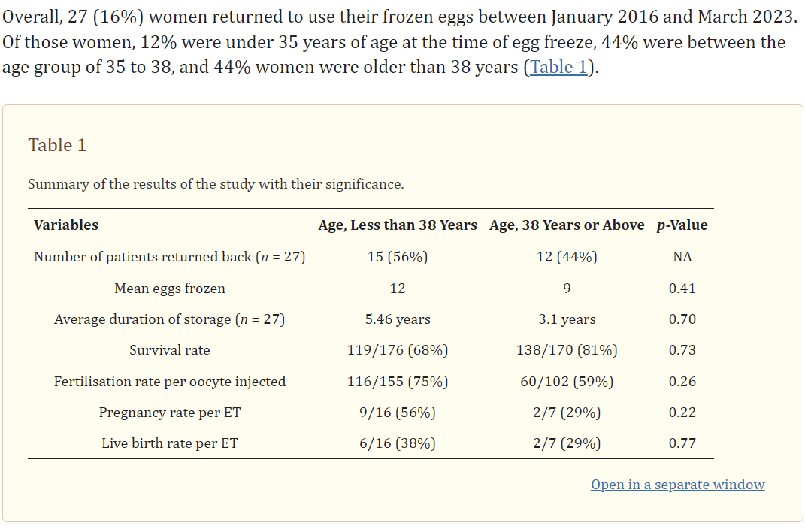
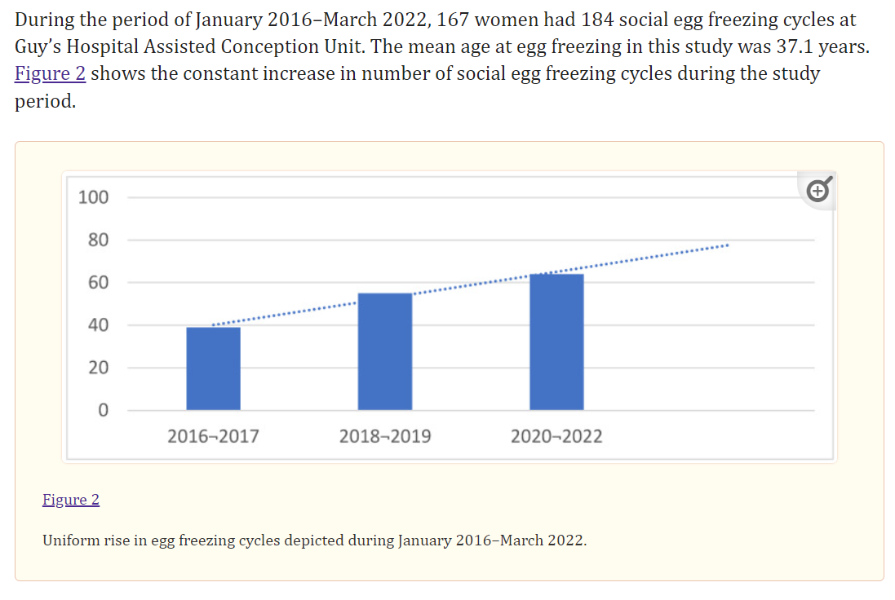
Source | https://www.ncbi.nlm.nih.gov/pmc/articles/PMC10342811/#B3-jcm-12-04182
 | # of egg freezing cycles | growth in # of cycles | per year estimate of growth in # of cycles | # of patients | # of retrievals | Modeled # of freezing cycles
Total | 184 |  |  | 167 | 27
 | numbers below are eyeballed from Figure 2 - note the bars don't seem to add to 184
2016-2017 | 40 |  |  |  |  | 42
2018-2019 | 57 | 43% | 19% |  |  | 64
2020-2022 | 65 | 14% | 7% |  |  | 77
total from eyeballed numbers | 162 |  |  |  |  | 184

average # of years frozen (from Table 1) | 4.4216

